Graphs
 | AXLE LOAD DATA ANALYSIS (KARUMA-ARUA HIGHWAY)
Load Description (Karuma-Arua Highway)
Truck Composition for Karuma-Arua Highway
Vehicle Categories |  |  |  |  |  | Load Description
 | Truck Type | Karuma-Arua | Arua-Karuma | Both Directions |  | Category | Karuma-Arua | Arua-Karuma
7 | Light/Medium Trucks | 20 | 11 | 31 |  | Agricultural produce | 6.7% | 34.8%
9 | Heavy Trucks | 8 | 2 | 10 |  | Perishable | 0.0% | 0.0%
10 | Truck/Trailer | 32 | 10 | 42 |  | Construction Material | 28.3% | 30.4%
 | Totals | 60 | 23 | 83 |  | Metal/machinery | 0.0% | 0.0%
 |  |  |  |  |  | Forestry products | 0.0% | 0.0%
 |  |  |  |  |  | Fuels | 5.0% | 0.0%
 |  |  |  |  |  | Chemical Products | 1.7% | 0.0%
 |  |  |  |  |  | Livestock | 0.0% | 4.3%
 |  |  |  |  |  | Household retail products | 20.0% | 13.0%
 |  |  |  |  |  | Empty | 21.7% | 0.0%
 |  |  |  |  |  | Others | 16.7% | 17.4%
 |  |  |  |  |  | Total | 60 | 23

Average Truck Loading (Karuma-Arua Higwhay)
Average Total Loading (Tonnes)
 | Truck Type | Karuma-Arua | Arua-Karuma | Both Directions | Limit
7 | Light/Medium Trucks | 14.3 | 12.5 | 13.4 | 18
9 | Heavy Trucks | 25.1 | 15.6 | 20.4 | 27
10 | Truck/Trailer | 43.0 | 35.6 | 39.3 | 54
 | Totals

 |  |  |  |  |  | Proportion of Overloaded Trucks
 |  |  |  |  |  |  | Truck Type | Karuma-Arua | Arua-Karuma | Both Directions
 |  |  |  |  |  |  | 0-4.9% | 41.7% | 82.6% | 62.1%
 |  |  |  |  |  |  | 5-25% | 46.7% | 17.4% | 32.0%
 |  |  |  |  |  |  | 25-50% | 10.0% | 0.0% | 5.0%
 |  |  |  |  |  |  | Over 50% | 1.7% | 0.0% | 0.8%
Percentage By Which Vehicles Are Overloaded (Karuma-Arua)
 |  |  |  |  |  |  |  | 60 | 23

Average Proportion of Overloaded Trucks (Karuma-Arua)
Proportion of Overloaded Trucks
 | Truck Type | Karuma-Arua | Arua-Karuma | Both Directions
7 | Light/Medium Trucks | 65.0% | 9.1% | 37.0%
9 | Heavy Trucks | 75.0% | 0.0% | 37.5%
10 | Truck/Trailer | 81.3% | 40.0% | 60.6%
 | Overall | 75.0% | 21.7%

KEY
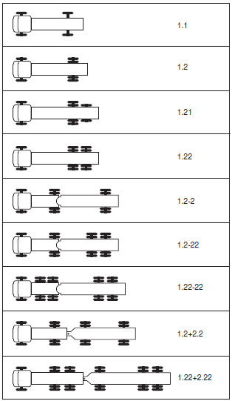
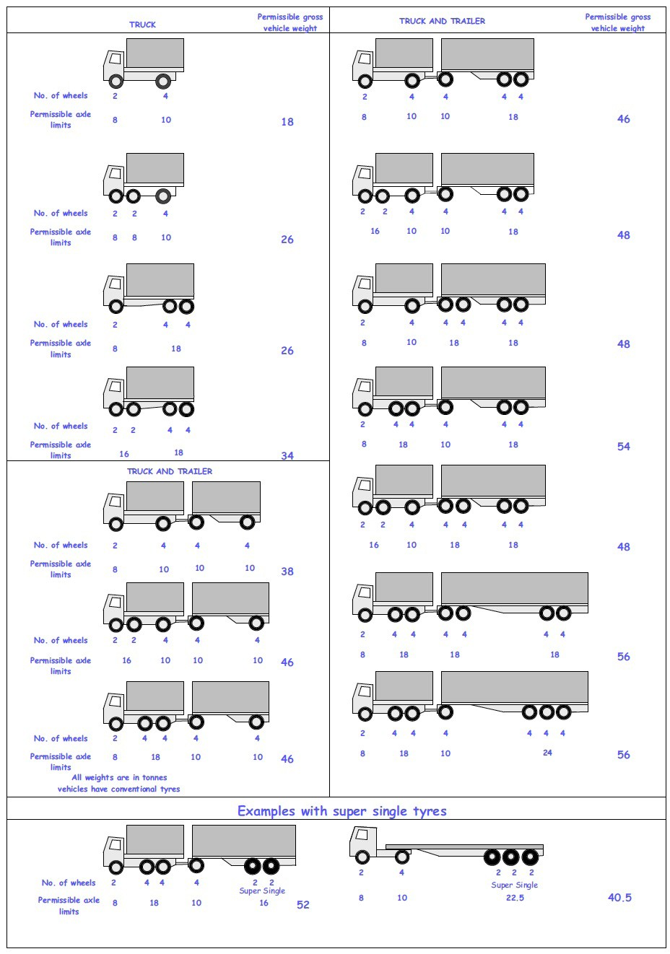
 |  |  |  |  | Axle Configuration
TRUCK TYPES |  |  |  |  | 2-Axles | 2-Axles | 3-Axle | 4-Axle | 5-Axle | 6-Axle | 7-Axle

7 | LIGHT SINGLE UNIT TRUCK-DYNAS AND TRACTORS(2 axles) |  |  |  | 1.1 | 1.2
8 | LIGHT/MEDIUM SINGLE UNIT TRUCKS (3 axles) |  |  |  |  |  | 1.22
9 | MEDIUM - SINGLE UNIT TRUCKS-LORRIES, FUSOS (4 axles) |  |  |  |  |  |  | 1.1-22
 |  |  |  |  |  |  |  | 1.222

10 | HEAVY TRUCK RIGID (5 axles) |  |  |  |  |  |  |  | 1.1-222
 |  |  |  |  |  |  |  |  | 1.2-222
 |  |  |  |  |  |  |  |  | 1.22-22
11 | TRUCK TRAILER AND SEMI TRAILER (6 axles) |  |  |  |  |  |  |  |  | 1.12-222
 |  |  |  |  |  |  |  |  |  | 1.22-222
 |  |  |  |  |  |  |  |  |  | 1.22+1-22
 |  |  |  |  |  |  |  |  |  | 1.22+2-22
 |  |  |  |  |  |  |  |  |  | 1.21-222
 |  |  |  |  |  |  |  |  |  | 1.22-111
12 | TRUCK TRAILER TYPE 2 (7 axles) |  |  |  |  |  |  |  |  |  | 1.11+11-11
 |  |  |  |  |  |  |  |  |  |  | 1.22+22-22
 |  |  |  |  |  |  |  |  |  |  | 1.12+11-22

 | 7. Light Truck
 | 8. Medium Truck
 | 9. Heavy truck
 | 10. Truck Trailer

 | 1*1 | Light Truck | 7 | 18
 | 1*2 | Light Truck | 7 | 18
 | 1*21 | Medium Truck | 8 | 26
 | 1*22 | Heavy Truck | 9 | 26
 | 1*2*2 | Truck Trailer | 10 | 46
 | 1*2*22 | Truck Trailer | 10 | 46
 | 1*22-22 | Truck Trailer | 10 | 46
 | 1*2*2*2 | Truck Trailer | 10 | 46
 | 1*22*2*22 | Truck Trailer | 10 | 46
 | 11*22 | Heavy Truck | 9 | 34

